Form
PANASONIC SYSTEM NETWORKS VIETNAM CO., LTD
REGISTER FORM FOR FY2025 PROMOTION PROJECT
Name: | Nguyen Nhu Minh | Nominated position: | Supervisor | Section/ Department: ISD | Theme: | Electronic standardization of stamps for IQC & OQC departments
I. CURRENT ISSUES |  |  |  | II. PLAN & TARGET OF THE PROJECT
Background : Overview of the ensure quality system of IQC and OQC departments. |  |  |  | DESCRIBE PROCEDURE FOR IMPLEMENTATION OF ACTION PLAN
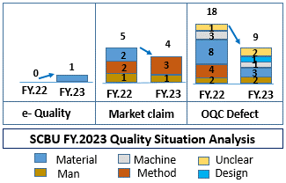
+ The management system is mainly manual and excel, loss time traceability, easy mistake. |  |  |  | ô Issue Job And Schedule To Complete
+ The results of inspection process are manually stamped.
- Takes time to find materials and goods to chop stamp.
- Risk: + Wrong packaging pass to market.
+ NG Material can still be storing.
Question: How to don't leak out the error to market?
Issue 1: Input quality control process.
- Incoming inspection QC system is not optimized.
- Loss time to chop stamp and find location.
Solution 1: Electronic standardization of stamps for IQC.
PQC
Sampling
Loss time to chop stamp
NG
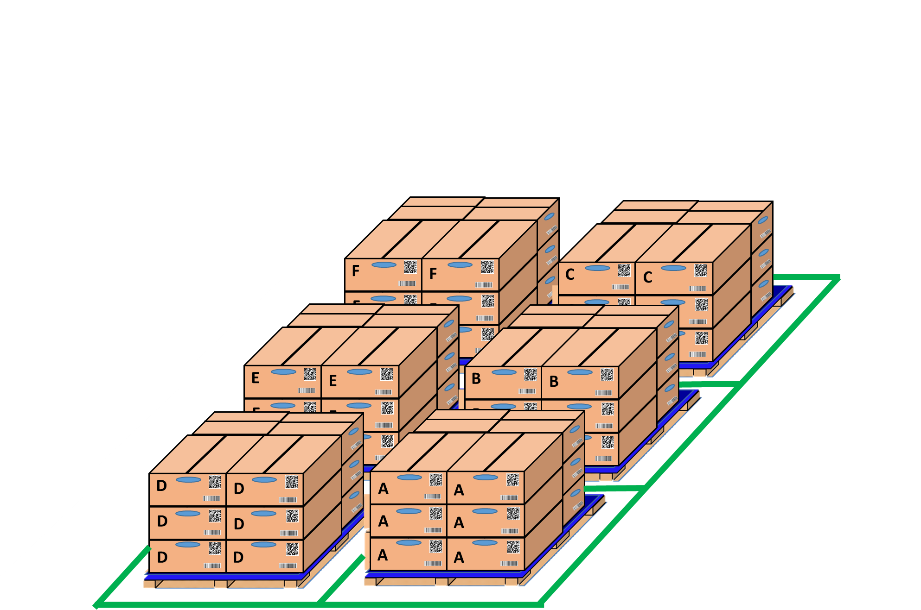
OK
Pick up sample
IQC inspection
OK
NG
OK
NG
PQC
OK
Day- Month- Year
OK

Loss time to chop stamp OK /NG
IQC find location and chop stamp all lot

IQC inspection results are attached to the receiving card of MCS easy to traceability.

Issue 2: Output quality control process |  |  |  | ôTarget FY2024
- Inspection OQC process is manual and record result by excel file & papper. |  |  |  | POptimize IQC system to ensure input quality.
- Loss time to chop stamp and inspection result OQC no link system FA & SCM. |  |  |  | PStandardize the entire OQC system with software to ensure output quality.
Solution 2: Visualize OQC inspection system by Electronic Stamp |  |  |  | ô Next schedule
Get Sample
Return
 |  |  |  | P For company: Standardize and improve factory manual processes to reduce time and head count.
Shirk Machine
 |  |  |  | P My self: Improve my skills such as communication skills, presentation skills and reporting skills
No Link
No Link
 |  |  |  | P My team : Share major technical experience, training support skill and improving spiritual working team.
Production line FA
OQC inspection
FA shrink pallet ID
OQC
OK
Day- Month- Year
 |  |  |  | III. CONFIRMATION OF SUPERIOR
No Link
WMS system
No Link

OQC find Model, ID pallet, product date to chop stamp
SCM warehouse
FA confrm OQC result by stamp

Auto online update OQC result & no need chop stamp
Prevent wrong packing leakage out to market

